Tabelle2
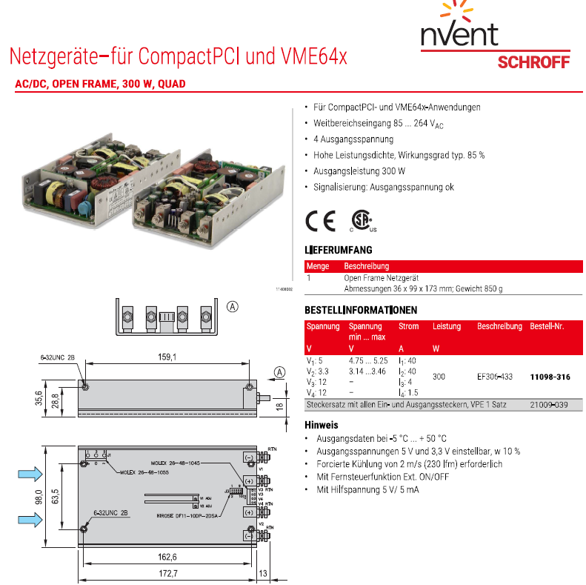
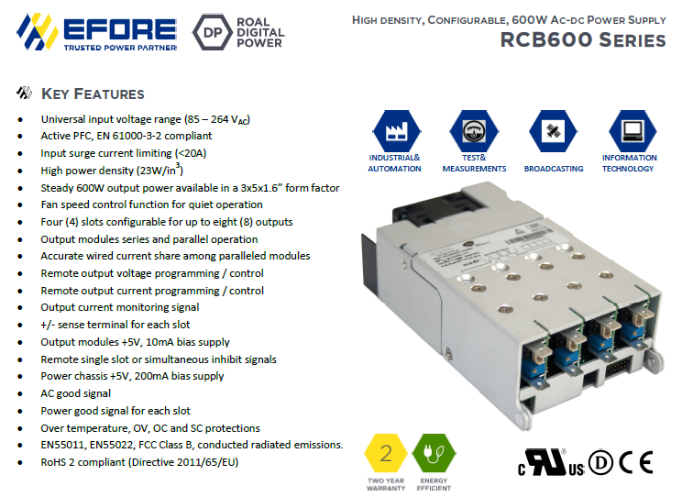
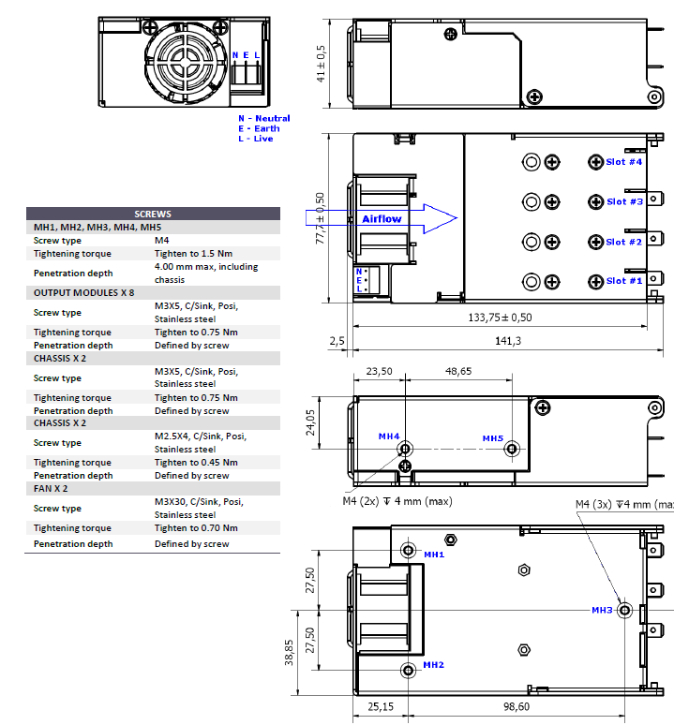
 | discontinued typ EF306-433 | follow up type for VME Applications RCB600-AAW0# 2 x 5VDC, 2x12VDC | follow up type for CPCI Applications RCB600-AAW0#5VDC;3,3VDC
Schroff Art.Nr. | 11098-316 | 11098-716-SP | 11098-567-SP
Manufacturer | ADVICE (Telkoor) | ENEDO-Power/EFORE | ENEDO-Power/EFORE
Input | 85 - 264VAC | 85 - 264VAC | 85 - 264VAC
output V1 | 5V / 40A | 5V / 25A connected in parallel | 5V / 25A
output V2 | 3,3V / 40A | 5V / 25A connected in parallel | 3,3V / 25A
output V3 | 12V / 4A | 12V / 5A | 12V / 5A
output V4 | 12V / 1,5A | 12V / 5A | 12V / 5A
 | auxiliary supply 5 V/5 mA | - | -
power | 300W no fan, forced air coolinbg from external fan with 2 m/s (230 lfm) is required. | 375W speed controlled fan inside | 330W speed controlled fan inside
cooling | no fan, forced air coolinbg from external fan with 2 m/s (230 lfm) is required. | speed controlled fan inside | speed controlled fan inside
operating temp. Range | -5 to 70°C dearating 2,5%/K between 55 and 70°C | -25 to 70°C dearating 2,5%/K between 50 and 70°C | -25 to 70°C dearating 2,5%/K between 50 and 70°C
efficiency | typical 85% | typical 86% | typical 86%
Sicherheitsstandard | EN60950-1 (invalid savety standard) | EN62368-1 | EN62368-1
Dimensions | 185,7 x 98 x 35,6 mm | 143.8 x 78 x 41 mm | 143.8 x 78 x 41 mm
Delivery time | not longer available
Liftime status | will be phased out Q4 2020 | no discontinuation planned | no discontinuation planned
connector set | 21009-039 | --- | ---
Datum | 2023-02-22

